Eligibility
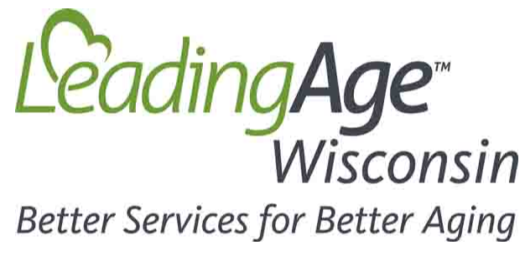

Current as of 4/16/20
COVID 19 Stimulus Bill Facility Eligibility

Inputs

2019 annual amounts for:
Gross wages | Net Medicare Part A & B Revenue
State and Local payroll taxes | Number of Employees (1)
ER portion of Health Ins premiums | 2019 Revenue* |  |  |  | 1
ER portion of Pension contributions | Entity Type |  | 501(c)(3) |  | 1
Mortgage interest paid | Do you have an existing SBA loan? |  |  | No | 1
Rent paid
Utility payments

(1)includes all from affiliated locations. Click for affiliation rules.
Potentially Eligible Programs
Funding Program | Eligible? | Possible amount | Type | For more information
CARES Act Provider Relief | likely not | 0 | Grant | HHS.gov website
Medicare Advance Payment | likely not | 0 | Advance Payment | CMS Fact Sheet
Paycheck Protection Program (loan) | potentially | 0 | Loan | Treasury Fact Sheet
Paycheck Protection Program (loan forgiveness) | potentially | 0 | Grant | Treasury Fact Sheet
Federal Payroll Tax Deferral | potentially | (3) | Payment Deferral (2) | IRS Notice 2020-22
Economic Injury Disaster Loans | potentially | (4) | Loan | EIDL Loan and Advance
Economic Injury Disaster Emergency Advance | potentially | (5) | Grant | EIDL Loan and Advance
Aid for Existing SBA Borrowers | likely not | Depends on SBA debt | Debt Forgivness | SBA Bridge Loan | SBA Debt Relief
Main Street Lending Program | potentially | (6) | Loan | Fed Reserve Fact Sheet
FEMA Public Assistance Program | potentially | (7) | Expense Repayment | FEMA Fact Sheet
Sequestration Suspension | likely not | 0 | Increased Income | MLN Connects

(2) Defer payment of employer share of Social Security tax (6.2% of taxable wages), with repayment over two years
(3) potentially limited when a Paycheck Protection Program loan is forgiven
(4) Max Loan amount is $2 million. Industry
(5) A $10,000 forgiveable advance on the SBA loan is available, but as of 4/16/20 applications were not being accepted due to lack of appropriation
(6) Minimum loan amount is $1 million, with a maximum of $25 million
(7) FEMA obligates funds after evaluating criteria. Payments are distributed to states for disbursal to applicants.
Additional Notes
As of today, Payroll Protection Program and Economic Injury Disaster Loans are no longer accepting applications as the funding in the law has run
out, the hope is that additional appropriations would be made in future federal legislation.

